Quadratic Splines
http://nm.mathforcollege.com/mws/gen/05inp/mws_gen_inp_ppt_quadraticspline.ppt

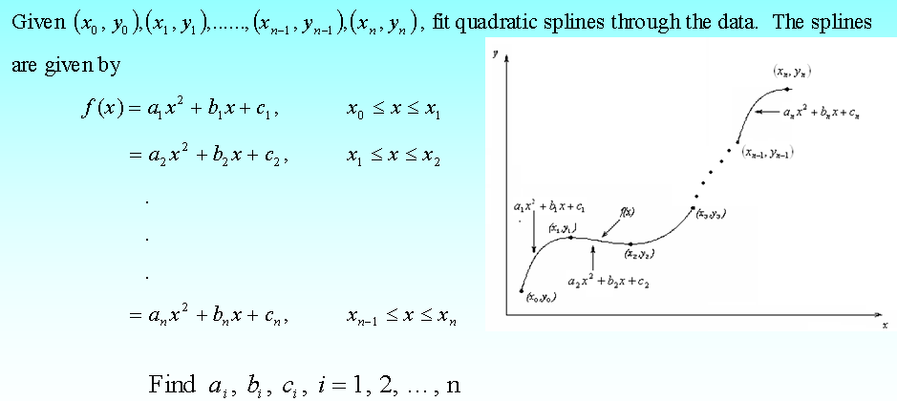

n+1 data points
n splines
3n unknowns
3n equations

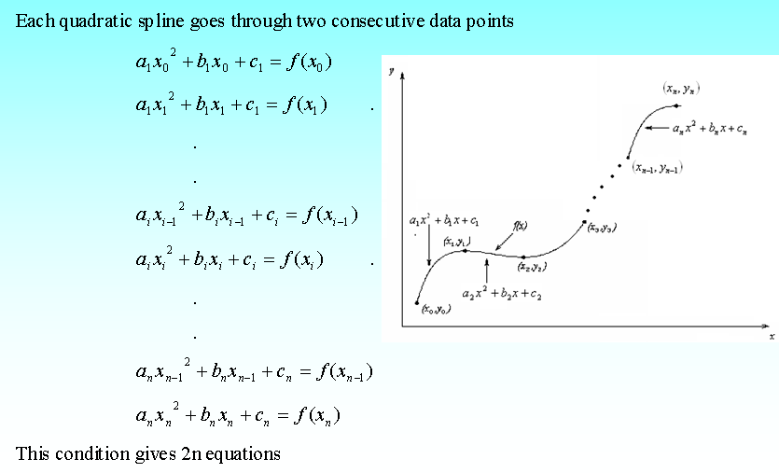

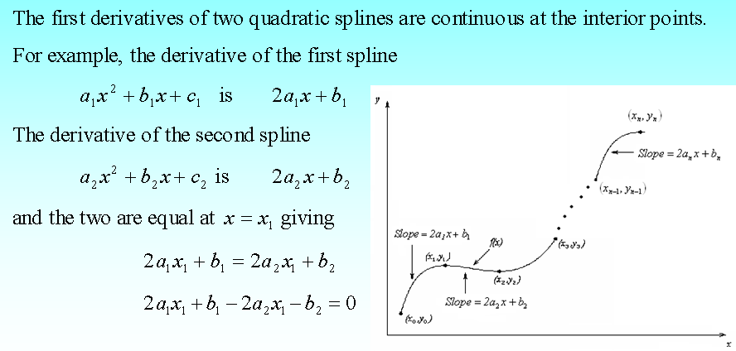

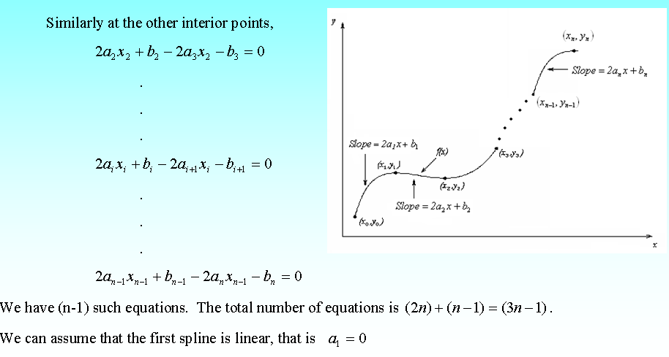

Examples |  | http://mathforcollege.com/nm/mws/gen/04sle/mws_gen_sle_ppt_systemofequations.pdf

t | v(t) |  | t^2 | t^1 | t^0 |  |  | Splines
s | m/s |  |  |  |  |  |  | 1
0 | 0 |  | 0 | 0 | 1
10 | 227.04 |  | 100 | 10 | 1
15 | 362.78 |  | 225 | 15 | 1
20 | 517.35 |  | 400 | 20 | 1
22.5 | 602.97 |  | 506.25 | 22.5 | 1
30 | 901.67 |  | 900 | 30 | 1

Example Data points |  |  |  | Setting up the equations |  |  |  |  | 3 data points => 2 splines => 6 equations required (3 variables for each spline)

 | t | v(t) |  | t^2 |  | Passing through each data point
(t1,v1) | 5 | 106 |  | 25 |  | 25 | 5 | 1 |  | a | 106
(t2,v2) | 8 | 177 |  | 64 |  | 64 | 8 | 1 |  | b | 177
(t3,v3) | 12 | 279 |  | 144 |  | 144 | 12 | 1 |  | c | 279

 |  |  |  |  |  | Solving the simultaneous equations….
 |  |  |  |  |  | 0.047619047619 | -0.083333333333 | 0.035714285714 |  | 0.2619047619 | t | 6
 |  |  |  |  |  | -0.95238095238 | 1.4166666667 | -0.46428571429 |  | 20.261904762 | v(t) | 129.14285714
 |  |  |  |  |  | 4.5714285714 | -5 | 1.4285714286 |  | -1.8571428571

 | X | Y |  | X^2
 | -0.02 | -773134.07395
 | -0.01 | -692980.14857
 | -0.005 | -656142.99839
 | -0.001 | -628027.13886
 | 0 | -554547.58654
 | 0.001 | -74385.126398
 | 0.005 | 0
 | 0.01 | 0
 | 0.02 | 0

Forwards
 |  | Discount Function
 |  | Decreasing | Increasing
 |  | 0.999 | 0.998
 |  | 0.998 | 0.999

Z(0,t1) | 0.998 |  | t1 | 0.25 | r1 | 0.0080080106827
Z(0,t2) | 0.999 |  | t2 | 0.75 | r2 | 0.0013340004448

Z(t1,t2) | 1.001002004

f(0; t1,t2) | -0.0020030046742

